moveWiFi_1
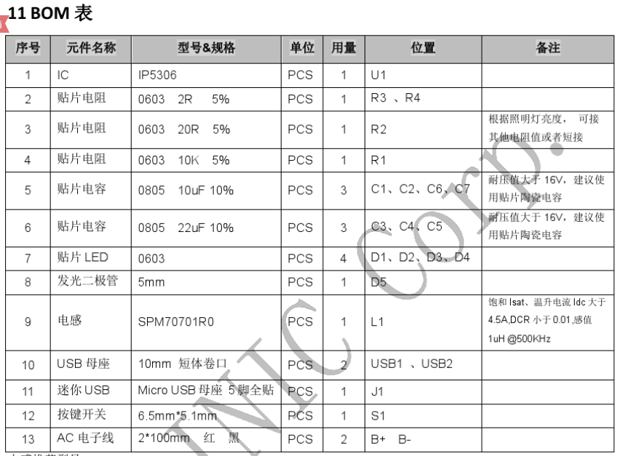
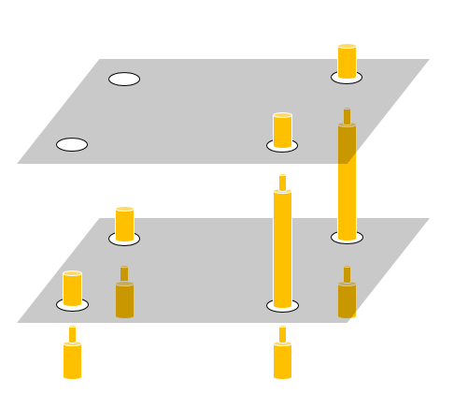
Comment | Value | Footprint | Quantity | Designator | DesignItemId
Cap Pol2 | 220uF | C7343 | 1 | C15 | Cap Pol2 | youxin *5
Cap Semi | 0.1uF | C0603 | 2 | C11, C12 | Cap Semi | xinhai *12
Cap Semi | 10uF | C0805 | 4 | C1, C2, C6, C7 | Cap Semi | xinhai *20
Cap Semi | 22uF | C0805 | 3 | C3, C4, C5 | Cap Semi | xinhai *15
CH340E |  | MSOP-10 | 1 | U3 | CH340E | shengji *5
Inductor | 1uH | L0630 | 1 | L1 | Inductor | xinhai *3 + youxin *3
IP5306 |  | eSOP8 | 1 | U2 | IP5306 | weilai *10
LED2 |  | R0603 | 1 | D1 | LED2 | xinhai red *10
MicroUSB |  | MicroUSB | 1 | I1 | MicroUSB | youxin *10
NanoPi NEO Core |  |  | 1 | U1 | NanoPi_NEO_Core | X1
PAD |  | PAD | 8 | 13, J10, J11, J12, J15, J16, J17, J18 | PAD | weld
Power |  | Power 2 | 2 | J2, J4 | Power | weld/BAT 2.54pin
Res2 | 10K | R0603 | 1 | R1 | Res2 | xinhai *25
Res2 | 2R | R0603 | 2 | R3, R4 | Res2 | xinhai *25
RJ45-1 |  | RG45-3 | 1 | J3 | RJ45-3 | youxin *5
sw-key-lie |  | Key_lie | 1 | S2 | sw-key-lie | youxin *20
Switch |  | SwitchA2 | 1 | S1 | Switch2 | youxin *5

4Gwifi Board |  |  | 1 |  |  | X1
2000hma LiBAT |  | 2.54pin | 1 |  |  | dajia *3
2.54 double row | mother city | 2*12pin | 2 |  |  | youxin *10
2.54 double row | mother city | 2*10pin | 1 |  |  | youxin *5
copper cylinder | M2 双通 | L=10 mm | 2 |  |  | youxin*10
 | M2 常规 | L=28 mm | 2 |  |  | youxin*10
 | M2 常规 | L=10 mm | 6 |  |  | youxin *30
螺帽 | M2 螺帽 |  | 4 |  |  | youxin *100
螺丝 | M2 螺丝 | L=8mm | 4 | Nano Pi Zero 散热片使用 |  | youxin *100
端子线 | 2.54mm '2p | <10cm | 1条 | battery 使用 空中接头 |  | youxin *5

current pay 0706：350+167+58+9.25+9.5+20.39+43.1 = 657.24
 |  |  |  | 1691.24

